Sheet3
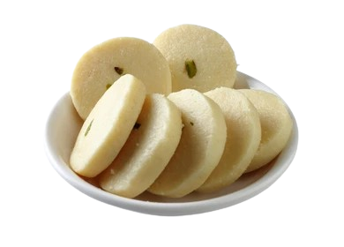
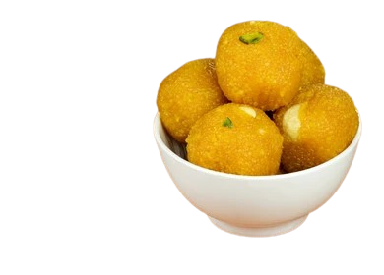
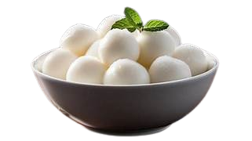
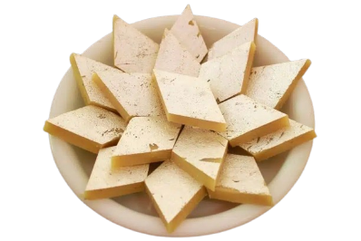
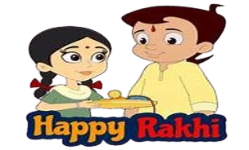
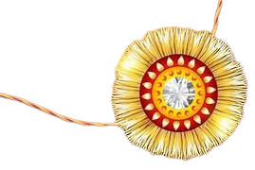

Total Sibilings Celebrated

1000

Rakhi Styles by Popularity
 | Count of Rakhi Type | percentage
Bracelet Rakhi | 126 | 13%
Cartoon Rakhi | 105 | 11%
Eco-friendly Rakhi | 121 | 12%
Kundan Rakhi | 131 | 13%
Lumba Rakhi | 108 | 11%
Silver Rakhi | 144 | 14%
Traditional Rakhi | 121 | 12%
Zardosi Rakhi | 144 | 14%
Average Rakhi Tying Speed by Year
 | Total
2022 | 30.898514056
2023 | 34.239734848
2024 | 32.157420635
2025 | 31.084893617
Celebration Location Popularity by Year
 | 2022 | 2023 | 2024 | 2025
Cafe | 38 | 44 | 38 | 41
College Hostel | 47 | 40 | 52 | 43
Home | 40 | 41 | 41 | 36
Mall | 38 | 35 | 48 | 34
Office | 37 | 56 | 35 | 35
Online Video Call | 49 | 48 | 38 | 46
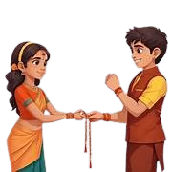

Most Demanded Gifts by Sisters
 | Total
Fitness Tracker | 110
Designer Handbag | 107
Headphones | 106
Trip to Goa | 105
Makeup Kit | 101
Smartphone | 100
Books | 98
Shopping Voucher | 96
Gold Ring | 92
Perfume | 85
Sisters’ Emotions on Rakhi Day
 | Total
Angry | 179
Excited | 171
Happy | 164
Joyful | 143
Playful | 181
Sentimental | 162
Rank of Sweets Shared by Year
 | Barfi | Gulab Jamun | Jalebi | Kaju Katli | Ladoo | Peda | Rasgulla
2022 | 6 | 2 | 1 | 4 | 3 | 1 | 5
2023 | 1 | 6 | 4 | 2 | 3 | 5 | 5
2024 | 2 | 3 | 4 | 3 | 5 | 1 | 4
2025 | 4 | 1 | 2 | 5 | 7 | 6 | 3

